VCD
Object ID | Object Text | Requirement? | Comments
CNT-REQ-1 | Title Page | FALSE
CNT-REQ-2 |  | FALSE
CNT-REQ-3 | Revision History | FALSE
CNT-REQ-4 |  | FALSE
CNT-REQ-5 | 1. Introduction | FALSE
CNT-REQ-6 | 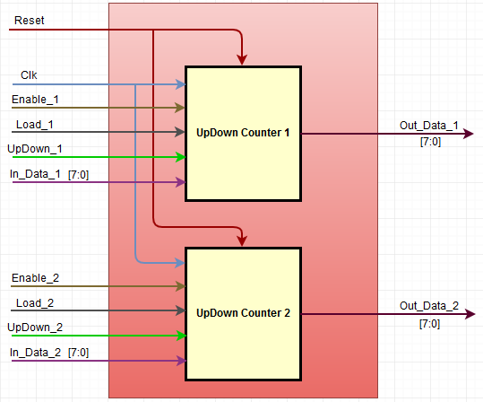 This document defines the functional requirements for the UpDown Counter. The top level functional block diagram is as below. | FALSE
CNT-REQ-7 | 2. Conventions Used | FALSE
CNT-REQ-8 | 2.1. DUT The term "DUT" in this document refers to the DUT1 and DUT2. The DUT1 and DUT2 input and output signals are merger to represent them as single DUT signals. | FALSE
CNT-REQ-9 | 2.2. Common Signals The Clock signal "Clk" and the Reset signal "Reset" are the common signal for the "DUT". | FALSE
CNT-REQ-10 | 2.3. Merger Signals For the functional representation of the "DUT" the following input and output signals are merged. 1. The Enable_1 and Enable_2 are merged to represent as "Enable" signal. 2. The Load_1 and Load_2 are merged to represent as "Load" signal. 3. The UpDown_1 and UpDown_2 are merged to represent as "UpDown" signal. 4. The In_Data_1 and In_Data_2 are merged to represent as "In_Data" signal. 5. The Out_Data_1 and Out_Data_2 are merged to represent as "Out_Data" signal. | FALSE
CNT-REQ-11 | 2.4 Numerical Notation A numerical subscript will be used to indicate base of all numbers. Subscripts to be used are dec ('d) for decimal, bin ('b) for binary, hex (0x or 'h) for hexadecimal. | FALSE
CNT-REQ-12 | 2.5 Signal/Bit State "Assert" - It will be used to indicate when a signal should be driven to the active state. "Deassert" - It will be used to indicate when a signal should be driven to the inactive state. "Set" - It will be used to indicate when a logic bit should be set to '1'. "Clear" - It will be used to indicate when a logic bit should be set to '0'. | FALSE
CNT-REQ-13 | 3. Signals Definitions | 0
CNT-REQ-14 | Refer to the tab "Signals_Definitions" for the signals description and definitions. | FALSE
CNT-REQ-15 | 4. Requirements | FALSE
CNT-REQ-16 | 4.1. Reset | FALSE
CNT-REQ-17 | Input Signal “Reset” is an active low signal. | 0
CNT-REQ-18 | The "Reset Period" is defined as the period when the "DUT" input signal "Reset" is "Assert" for 20ns and then it is "Deassert". | FALSE
CNT-REQ-19 | The "DUT" output signal "Out_Data" value Shall be set to value 0x00, after the "Reset Period". | TRUE
CNT-REQ-20 | 4.2. Clock
CNT-REQ-21 | The Clock Frequency is defined as 50MHz. | FALSE
CNT-REQ-22 | 4.3. Enable & Load | FALSE
CNT-REQ-23 | The "DUT" output signal "Out_Data" value Shall be held to its previous value, when the input signal "Enable" is "Clear". | 1
CNT-REQ-24 | The "DUT" output signal "Out_Data" value Shall be set to value of input signal "In_Data", when the input signal "Enable" and "Load" are "Set". | TRUE
CNT-REQ-25 | 4.4. UpDown | FALSE
CNT-REQ-26 | The "DUT" output signal "Out_Data" value Shall be incremented by 'b1, when the input signal "Enable" is "Set", "Load" is "Clear" and "UpDown" is "Set". | TRUE
CNT-REQ-27 | The "DUT" output signal "Out_Data" value Shall be decremented by 'b1, when the input signal "Enable" is "Set", "Load" and "UpDown" are "Clear". | TRUE
CNT-REQ-28 | The "DUT" output signal "Out_Data" value Shall be rollover from 0xFF to 0x00, when the output signal "Out_Data" value is 0xFF, input signal "Enable" is "Set", "Load" is "Clear" and "UpDown" is "Set". | TRUE
CNT-REQ-29 | The "DUT" output signal "Out_Data" value Shall be rollback from 0x00 to 0xFF, when the output signal "Out_Data" value is 0x00, input signal "Enable" is "Set", "Load" and "UpDown" are "Clear". | TRUE

 |  |  |  | FALSE | DUT 1
 |  |  |  | TRUE | DUT 2
 |  |  |  |  | DUT 1 & DUT 2

